Calculations
Dimensioning of cables
18.03.2022/Cjü
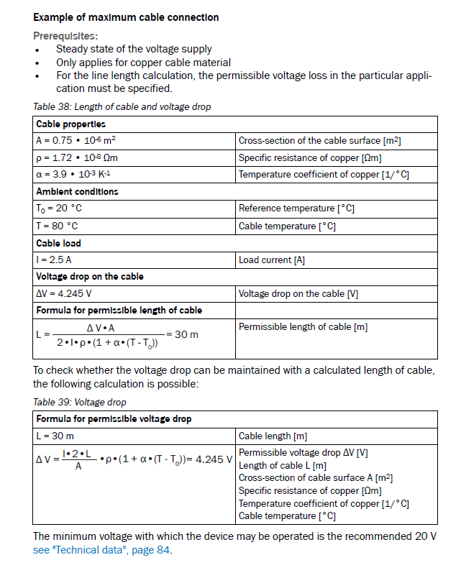

 | PRECONDITIONS

 | Cable properties
 | A | 0.34 | mm² | Cross-section of the cable surface [m2]
 | rho | 1.72E-08 | Ohm m | Specific resistance of copper [Ωm]
 | alpha | 0.0039 | 1/K | Temperature coefficient of copper [1/K]

 | Ambient conditions
 | T0 | 20 | °C | Reference temperature [°C]
 | T | 80 | °C | Cable temprature [°C]

 | Cable load
 | I | 2.5 | A | Load current [A]
 | this corresponds to: | 60 | Watt

 | Permissible length of cable

 | Voltage drop on the cable (max. permissible)
 | deltaV | 0.2 | V | Voltage drop on the cable [V]

 | Permissible length of cable
 | L | 0.6 | m | Permissible length of cable [m]

 | Resulting voltage drop

 | Cable length
 | L | 0.43 | m | Cable length [m]

 | Resulting voltage drop
 | deltaV | 0.13 | V | Voltage drop on the cable [V]

 | See manual LMS5xx, chapter 6.5.3 LMS5x1 Outdoor cable cross-section

